Step 1.2
Simulated Vo vs. Vsig of a Emitter Follower
Vsig | Vo | IE2
Volts | Volts | Amps
-5 | -4.683471 | 2.25E-09
-4.5 | -4.683226 | -3.15E-08
-4 | -4.478331 | -2.82E-05
-3.5 | -4.024668 | -9.12E-05
-3 | -3.545424 | -1.54E-04
-2.5 | -3.052513 | -1.85E-04
-2 | -2.552559 | -1.85E-04
-1.5 | -2.052577 | -1.85E-04
-1 | -1.552599 | -1.85E-04
-0.5 | -1.052621 | -1.85E-04
0 | -0.5526431 | -1.85E-04
0.5 | -0.052665 | -1.85E-04
1 | 0.447313 | -1.85E-04
1.5 | 0.9472911 | -1.85E-04
2 | 1.447269 | -1.85E-04
2.5 | 1.947247 | -1.85E-04
3 | 2.447225 | -1.85E-04
3.5 | 2.947203 | -1.85E-04
4 | 3.447181 | -1.85E-04
4.5 | 3.947159 | -1.85E-04
5 | 4.447137 | -1.85E-04

Step 1.3
Voltage Gain of a CC Amplifier
Frequency | vm(vo) | ph(v(vo)) | Av = 20*log(|Vo|/1mV)
Hz | Volts | deg | dB
1.00E+02 | 1.00E-03 | -8.47E-05 | 0.00
1.02E+02 | 1.00E-03 | -8.66E-05 | 0.00
1.05E+02 | 1.00E-03 | -8.86E-05 | 0.00
1.07E+02 | 1.00E-03 | -9.07E-05 | 0.00
1.10E+02 | 1.00E-03 | -9.28E-05 | 0.00
1.12E+02 | 1.00E-03 | -9.49E-05 | 0.00
1.15E+02 | 1.00E-03 | -9.71E-05 | 0.00
1.17E+02 | 1.00E-03 | -9.93E-05 | 0.00
1.20E+02 | 1.00E-03 | -1.02E-04 | 0.00
1.23E+02 | 1.00E-03 | -1.04E-04 | 0.00
1.26E+02 | 1.00E-03 | -1.06E-04 | 0.00
1.29E+02 | 1.00E-03 | -1.09E-04 | 0.00
1.31E+02 | 1.00E-03 | -1.11E-04 | 0.00
1.34E+02 | 1.00E-03 | -1.14E-04 | 0.00
1.38E+02 | 1.00E-03 | -1.17E-04 | 0.00
1.41E+02 | 1.00E-03 | -1.19E-04 | 0.00
1.44E+02 | 1.00E-03 | -1.22E-04 | 0.00
1.47E+02 | 1.00E-03 | -1.25E-04 | 0.00
1.51E+02 | 1.00E-03 | -1.28E-04 | 0.00
1.54E+02 | 1.00E-03 | -1.31E-04 | 0.00
1.58E+02 | 1.00E-03 | -1.34E-04 | 0.00
1.61E+02 | 1.00E-03 | -1.37E-04 | 0.00
1.65E+02 | 1.00E-03 | -1.40E-04 | 0.00
1.69E+02 | 1.00E-03 | -1.43E-04 | 0.00
1.73E+02 | 1.00E-03 | -1.46E-04 | 0.00
1.77E+02 | 1.00E-03 | -1.50E-04 | 0.00
1.81E+02 | 1.00E-03 | -1.53E-04 | 0.00
1.85E+02 | 1.00E-03 | -1.57E-04 | 0.00
1.89E+02 | 1.00E-03 | -1.60E-04 | 0.00
1.94E+02 | 1.00E-03 | -1.64E-04 | 0.00
1.98E+02 | 1.00E-03 | -1.68E-04 | 0.00
2.03E+02 | 1.00E-03 | -1.72E-04 | 0.00
2.07E+02 | 1.00E-03 | -1.76E-04 | 0.00
2.12E+02 | 1.00E-03 | -1.80E-04 | 0.00
2.17E+02 | 1.00E-03 | -1.84E-04 | 0.00
2.22E+02 | 1.00E-03 | -1.88E-04 | 0.00
2.27E+02 | 1.00E-03 | -1.92E-04 | 0.00
2.32E+02 | 1.00E-03 | -1.97E-04 | 0.00
2.38E+02 | 1.00E-03 | -2.01E-04 | 0.00
2.43E+02 | 1.00E-03 | -2.06E-04 | 0.00
2.49E+02 | 1.00E-03 | -2.11E-04 | 0.00
2.55E+02 | 1.00E-03 | -2.16E-04 | 0.00
2.61E+02 | 1.00E-03 | -2.21E-04 | 0.00
2.67E+02 | 1.00E-03 | -2.26E-04 | 0.00
2.73E+02 | 1.00E-03 | -2.31E-04 | 0.00
2.79E+02 | 1.00E-03 | -2.36E-04 | 0.00
2.85E+02 | 1.00E-03 | -2.42E-04 | 0.00
2.92E+02 | 1.00E-03 | -2.47E-04 | 0.00
2.99E+02 | 1.00E-03 | -2.53E-04 | 0.00
3.06E+02 | 1.00E-03 | -2.59E-04 | 0.00
3.13E+02 | 1.00E-03 | -2.65E-04 | 0.00
3.20E+02 | 1.00E-03 | -2.71E-04 | 0.00
3.27E+02 | 1.00E-03 | -2.77E-04 | 0.00
3.35E+02 | 1.00E-03 | -2.83E-04 | 0.00
3.42E+02 | 1.00E-03 | -2.90E-04 | 0.00
3.50E+02 | 1.00E-03 | -2.97E-04 | 0.00
3.58E+02 | 1.00E-03 | -3.04E-04 | 0.00
3.67E+02 | 1.00E-03 | -3.11E-04 | 0.00
3.75E+02 | 1.00E-03 | -3.18E-04 | 0.00
3.84E+02 | 1.00E-03 | -3.25E-04 | 0.00
3.93E+02 | 1.00E-03 | -3.33E-04 | 0.00
4.02E+02 | 1.00E-03 | -3.40E-04 | 0.00
4.11E+02 | 1.00E-03 | -3.48E-04 | 0.00
4.20E+02 | 1.00E-03 | -3.56E-04 | 0.00
4.30E+02 | 1.00E-03 | -3.64E-04 | 0.00
4.40E+02 | 1.00E-03 | -3.73E-04 | 0.00
4.50E+02 | 1.00E-03 | -3.81E-04 | 0.00
4.61E+02 | 1.00E-03 | -3.90E-04 | 0.00
4.71E+02 | 1.00E-03 | -3.99E-04 | 0.00
4.82E+02 | 1.00E-03 | -4.08E-04 | 0.00
4.93E+02 | 1.00E-03 | -4.18E-04 | 0.00
5.05E+02 | 1.00E-03 | -4.27E-04 | 0.00
5.16E+02 | 1.00E-03 | -4.37E-04 | 0.00
5.28E+02 | 1.00E-03 | -4.47E-04 | 0.00
5.40E+02 | 1.00E-03 | -4.58E-04 | 0.00
5.53E+02 | 1.00E-03 | -4.68E-04 | 0.00
5.66E+02 | 1.00E-03 | -4.79E-04 | 0.00
5.79E+02 | 1.00E-03 | -4.90E-04 | 0.00
5.92E+02 | 1.00E-03 | -5.01E-04 | 0.00
6.06E+02 | 1.00E-03 | -5.13E-04 | 0.00
6.20E+02 | 1.00E-03 | -5.25E-04 | 0.00
6.34E+02 | 1.00E-03 | -5.37E-04 | 0.00
6.48E+02 | 1.00E-03 | -5.49E-04 | 0.00
6.63E+02 | 1.00E-03 | -5.62E-04 | 0.00
6.79E+02 | 1.00E-03 | -5.75E-04 | 0.00
6.94E+02 | 1.00E-03 | -5.88E-04 | 0.00
7.10E+02 | 1.00E-03 | -6.02E-04 | 0.00
7.27E+02 | 1.00E-03 | -6.15E-04 | 0.00
7.44E+02 | 1.00E-03 | -6.30E-04 | 0.00
7.61E+02 | 1.00E-03 | -6.44E-04 | 0.00
7.78E+02 | 1.00E-03 | -6.59E-04 | 0.00
7.96E+02 | 1.00E-03 | -6.74E-04 | 0.00
8.15E+02 | 1.00E-03 | -6.90E-04 | 0.00
8.33E+02 | 1.00E-03 | -7.06E-04 | 0.00
8.52E+02 | 1.00E-03 | -7.22E-04 | 0.00
8.72E+02 | 1.00E-03 | -7.39E-04 | 0.00
8.92E+02 | 1.00E-03 | -7.56E-04 | 0.00
9.13E+02 | 1.00E-03 | -7.73E-04 | 0.00
9.34E+02 | 1.00E-03 | -7.91E-04 | 0.00
9.55E+02 | 1.00E-03 | -8.09E-04 | 0.00
9.77E+02 | 1.00E-03 | -8.28E-04 | 0.00
1.00E+03 | 1.00E-03 | -8.47E-04 | 0.00
1.02E+03 | 1.00E-03 | -8.66E-04 | 0.00
1.05E+03 | 1.00E-03 | -8.86E-04 | 0.00
1.07E+03 | 1.00E-03 | -9.07E-04 | 0.00
1.10E+03 | 1.00E-03 | -9.28E-04 | 0.00
1.12E+03 | 1.00E-03 | -9.49E-04 | 0.00
1.15E+03 | 1.00E-03 | -9.71E-04 | 0.00
1.17E+03 | 1.00E-03 | -9.93E-04 | 0.00
1.20E+03 | 1.00E-03 | -1.02E-03 | 0.00
1.23E+03 | 1.00E-03 | -1.04E-03 | 0.00
1.26E+03 | 1.00E-03 | -1.06E-03 | 0.00
1.29E+03 | 1.00E-03 | -1.09E-03 | 0.00
1.31E+03 | 1.00E-03 | -1.11E-03 | 0.00
1.34E+03 | 1.00E-03 | -1.14E-03 | 0.00
1.38E+03 | 1.00E-03 | -1.17E-03 | 0.00
1.41E+03 | 1.00E-03 | -1.19E-03 | 0.00
1.44E+03 | 1.00E-03 | -1.22E-03 | 0.00
1.47E+03 | 1.00E-03 | -1.25E-03 | 0.00
1.51E+03 | 1.00E-03 | -1.28E-03 | 0.00
1.54E+03 | 1.00E-03 | -1.31E-03 | 0.00
1.58E+03 | 1.00E-03 | -1.34E-03 | 0.00
1.61E+03 | 1.00E-03 | -1.37E-03 | 0.00
1.65E+03 | 1.00E-03 | -1.40E-03 | 0.00
1.69E+03 | 1.00E-03 | -1.43E-03 | 0.00
1.73E+03 | 1.00E-03 | -1.46E-03 | 0.00
1.77E+03 | 1.00E-03 | -1.50E-03 | 0.00
1.81E+03 | 1.00E-03 | -1.53E-03 | 0.00
1.85E+03 | 1.00E-03 | -1.57E-03 | 0.00
1.89E+03 | 1.00E-03 | -1.60E-03 | 0.00
1.94E+03 | 1.00E-03 | -1.64E-03 | 0.00
1.98E+03 | 1.00E-03 | -1.68E-03 | 0.00
2.03E+03 | 1.00E-03 | -1.72E-03 | 0.00
2.07E+03 | 1.00E-03 | -1.76E-03 | 0.00
2.12E+03 | 1.00E-03 | -1.80E-03 | 0.00
2.17E+03 | 1.00E-03 | -1.84E-03 | 0.00
2.22E+03 | 1.00E-03 | -1.88E-03 | 0.00
2.27E+03 | 1.00E-03 | -1.92E-03 | 0.00
2.32E+03 | 1.00E-03 | -1.97E-03 | 0.00
2.38E+03 | 1.00E-03 | -2.01E-03 | 0.00
2.43E+03 | 1.00E-03 | -2.06E-03 | 0.00
2.49E+03 | 1.00E-03 | -2.11E-03 | 0.00
2.55E+03 | 1.00E-03 | -2.16E-03 | 0.00
2.61E+03 | 1.00E-03 | -2.21E-03 | 0.00
2.67E+03 | 1.00E-03 | -2.26E-03 | 0.00
2.73E+03 | 1.00E-03 | -2.31E-03 | 0.00
2.79E+03 | 1.00E-03 | -2.36E-03 | 0.00
2.85E+03 | 1.00E-03 | -2.42E-03 | 0.00
2.92E+03 | 1.00E-03 | -2.47E-03 | 0.00
2.99E+03 | 1.00E-03 | -2.53E-03 | 0.00
3.06E+03 | 1.00E-03 | -2.59E-03 | 0.00
3.13E+03 | 1.00E-03 | -2.65E-03 | 0.00
3.20E+03 | 1.00E-03 | -2.71E-03 | 0.00
3.27E+03 | 1.00E-03 | -2.77E-03 | 0.00
3.35E+03 | 1.00E-03 | -2.83E-03 | 0.00
3.42E+03 | 1.00E-03 | -2.90E-03 | 0.00
3.50E+03 | 1.00E-03 | -2.97E-03 | 0.00
3.58E+03 | 1.00E-03 | -3.04E-03 | 0.00
3.67E+03 | 1.00E-03 | -3.11E-03 | 0.00
3.75E+03 | 1.00E-03 | -3.18E-03 | 0.00
3.84E+03 | 1.00E-03 | -3.25E-03 | 0.00
3.93E+03 | 1.00E-03 | -3.33E-03 | 0.00
4.02E+03 | 1.00E-03 | -3.40E-03 | 0.00
4.11E+03 | 1.00E-03 | -3.48E-03 | 0.00
4.20E+03 | 1.00E-03 | -3.56E-03 | 0.00
4.30E+03 | 1.00E-03 | -3.64E-03 | 0.00
4.40E+03 | 1.00E-03 | -3.73E-03 | 0.00
4.50E+03 | 1.00E-03 | -3.81E-03 | 0.00
4.61E+03 | 1.00E-03 | -3.90E-03 | 0.00
4.71E+03 | 1.00E-03 | -3.99E-03 | 0.00
4.82E+03 | 1.00E-03 | -4.08E-03 | 0.00
4.93E+03 | 1.00E-03 | -4.18E-03 | 0.00
5.05E+03 | 1.00E-03 | -4.27E-03 | 0.00
5.16E+03 | 1.00E-03 | -4.37E-03 | 0.00
5.28E+03 | 1.00E-03 | -4.47E-03 | 0.00
5.40E+03 | 1.00E-03 | -4.58E-03 | 0.00
5.53E+03 | 1.00E-03 | -4.68E-03 | 0.00
5.66E+03 | 1.00E-03 | -4.79E-03 | 0.00
5.79E+03 | 1.00E-03 | -4.90E-03 | 0.00
5.92E+03 | 1.00E-03 | -5.01E-03 | 0.00
6.06E+03 | 1.00E-03 | -5.13E-03 | 0.00
6.20E+03 | 1.00E-03 | -5.25E-03 | 0.00
6.34E+03 | 1.00E-03 | -5.37E-03 | 0.00
6.48E+03 | 1.00E-03 | -5.49E-03 | 0.00
6.63E+03 | 1.00E-03 | -5.62E-03 | 0.00
6.79E+03 | 1.00E-03 | -5.75E-03 | 0.00
6.94E+03 | 1.00E-03 | -5.88E-03 | 0.00
7.10E+03 | 1.00E-03 | -6.02E-03 | 0.00
7.27E+03 | 1.00E-03 | -6.15E-03 | 0.00
7.44E+03 | 1.00E-03 | -6.30E-03 | 0.00
7.61E+03 | 1.00E-03 | -6.44E-03 | 0.00
7.78E+03 | 1.00E-03 | -6.59E-03 | 0.00
7.96E+03 | 1.00E-03 | -6.74E-03 | 0.00
8.15E+03 | 1.00E-03 | -6.90E-03 | 0.00
8.33E+03 | 1.00E-03 | -7.06E-03 | 0.00
8.52E+03 | 1.00E-03 | -7.22E-03 | 0.00
8.72E+03 | 1.00E-03 | -7.38E-03 | 0.00
8.92E+03 | 1.00E-03 | -7.56E-03 | 0.00
9.13E+03 | 1.00E-03 | -7.73E-03 | 0.00
9.34E+03 | 1.00E-03 | -7.91E-03 | 0.00
9.55E+03 | 1.00E-03 | -8.09E-03 | 0.00
9.77E+03 | 1.00E-03 | -8.28E-03 | 0.00
1.00E+04 | 1.00E-03 | -8.47E-03 | 0.00
1.02E+04 | 1.00E-03 | -8.66E-03 | 0.00
1.05E+04 | 1.00E-03 | -8.86E-03 | 0.00
1.07E+04 | 1.00E-03 | -9.07E-03 | 0.00
1.10E+04 | 1.00E-03 | -9.28E-03 | 0.00
1.12E+04 | 1.00E-03 | -9.49E-03 | 0.00
1.15E+04 | 1.00E-03 | -9.71E-03 | 0.00
1.17E+04 | 1.00E-03 | -9.93E-03 | 0.00
1.20E+04 | 1.00E-03 | -1.02E-02 | 0.00
1.23E+04 | 1.00E-03 | -1.04E-02 | 0.00
1.26E+04 | 1.00E-03 | -1.06E-02 | 0.00
1.29E+04 | 1.00E-03 | -1.09E-02 | 0.00
1.31E+04 | 1.00E-03 | -1.11E-02 | 0.00
1.34E+04 | 1.00E-03 | -1.14E-02 | 0.00
1.38E+04 | 1.00E-03 | -1.17E-02 | 0.00
1.41E+04 | 1.00E-03 | -1.19E-02 | 0.00
1.44E+04 | 1.00E-03 | -1.22E-02 | 0.00
1.47E+04 | 1.00E-03 | -1.25E-02 | 0.00
1.51E+04 | 1.00E-03 | -1.28E-02 | 0.00
1.54E+04 | 1.00E-03 | -1.31E-02 | 0.00
1.58E+04 | 1.00E-03 | -1.34E-02 | 0.00
1.61E+04 | 1.00E-03 | -1.37E-02 | 0.00
1.65E+04 | 1.00E-03 | -1.40E-02 | 0.00
1.69E+04 | 1.00E-03 | -1.43E-02 | 0.00
1.73E+04 | 1.00E-03 | -1.46E-02 | 0.00
1.77E+04 | 1.00E-03 | -1.50E-02 | 0.00
1.81E+04 | 1.00E-03 | -1.53E-02 | 0.00
1.85E+04 | 1.00E-03 | -1.57E-02 | 0.00
1.89E+04 | 1.00E-03 | -1.60E-02 | 0.00
1.94E+04 | 1.00E-03 | -1.64E-02 | 0.00
1.98E+04 | 1.00E-03 | -1.68E-02 | 0.00
2.03E+04 | 1.00E-03 | -1.72E-02 | 0.00
2.07E+04 | 1.00E-03 | -1.76E-02 | 0.00
2.12E+04 | 1.00E-03 | -1.80E-02 | 0.00
2.17E+04 | 1.00E-03 | -1.84E-02 | 0.00
2.22E+04 | 1.00E-03 | -1.88E-02 | 0.00
2.27E+04 | 1.00E-03 | -1.92E-02 | 0.00
2.32E+04 | 1.00E-03 | -1.97E-02 | 0.00
2.38E+04 | 1.00E-03 | -2.01E-02 | 0.00
2.43E+04 | 1.00E-03 | -2.06E-02 | 0.00
2.49E+04 | 1.00E-03 | -2.11E-02 | 0.00
2.55E+04 | 1.00E-03 | -2.16E-02 | 0.00
2.61E+04 | 1.00E-03 | -2.21E-02 | 0.00
2.67E+04 | 1.00E-03 | -2.26E-02 | 0.00
2.73E+04 | 1.00E-03 | -2.31E-02 | 0.00
2.79E+04 | 1.00E-03 | -2.36E-02 | 0.00
2.85E+04 | 1.00E-03 | -2.42E-02 | 0.00
2.92E+04 | 1.00E-03 | -2.47E-02 | 0.00
2.99E+04 | 1.00E-03 | -2.53E-02 | 0.00
3.06E+04 | 1.00E-03 | -2.59E-02 | 0.00
3.13E+04 | 1.00E-03 | -2.65E-02 | 0.00
3.20E+04 | 1.00E-03 | -2.71E-02 | 0.00
3.27E+04 | 1.00E-03 | -2.77E-02 | 0.00
3.35E+04 | 1.00E-03 | -2.83E-02 | 0.00
3.42E+04 | 1.00E-03 | -2.90E-02 | 0.00
3.50E+04 | 1.00E-03 | -2.97E-02 | 0.00
3.58E+04 | 1.00E-03 | -3.03E-02 | 0.00
3.67E+04 | 1.00E-03 | -3.10E-02 | 0.00
3.75E+04 | 1.00E-03 | -3.18E-02 | 0.00
3.84E+04 | 1.00E-03 | -3.25E-02 | 0.00
3.93E+04 | 1.00E-03 | -3.32E-02 | 0.00
4.02E+04 | 1.00E-03 | -3.40E-02 | 0.00
4.11E+04 | 1.00E-03 | -3.48E-02 | 0.00
4.20E+04 | 1.00E-03 | -3.56E-02 | 0.00
4.30E+04 | 1.00E-03 | -3.64E-02 | 0.00
4.40E+04 | 1.00E-03 | -3.72E-02 | 0.00
4.50E+04 | 1.00E-03 | -3.81E-02 | 0.00
4.61E+04 | 1.00E-03 | -3.90E-02 | 0.00
4.71E+04 | 1.00E-03 | -3.99E-02 | 0.00
4.82E+04 | 1.00E-03 | -4.08E-02 | 0.00
4.93E+04 | 1.00E-03 | -4.17E-02 | 0.00
5.05E+04 | 1.00E-03 | -4.27E-02 | 0.00
5.16E+04 | 1.00E-03 | -4.37E-02 | 0.00
5.28E+04 | 1.00E-03 | -4.47E-02 | 0.00
5.40E+04 | 1.00E-03 | -4.57E-02 | 0.00
5.53E+04 | 1.00E-03 | -4.68E-02 | 0.00
5.66E+04 | 1.00E-03 | -4.78E-02 | 0.00
5.79E+04 | 1.00E-03 | -4.89E-02 | 0.00
5.92E+04 | 1.00E-03 | -5.01E-02 | 0.00
6.06E+04 | 1.00E-03 | -5.12E-02 | 0.00
6.20E+04 | 1.00E-03 | -5.24E-02 | 0.00
6.34E+04 | 1.00E-03 | -5.36E-02 | 0.00
6.48E+04 | 1.00E-03 | -5.48E-02 | 0.00
6.63E+04 | 1.00E-03 | -5.61E-02 | 0.00
6.79E+04 | 1.00E-03 | -5.74E-02 | 0.00
6.94E+04 | 1.00E-03 | -5.87E-02 | 0.00
7.10E+04 | 1.00E-03 | -6.01E-02 | 0.00
7.27E+04 | 1.00E-03 | -6.15E-02 | 0.00
7.44E+04 | 1.00E-03 | -6.29E-02 | 0.00
7.61E+04 | 1.00E-03 | -6.43E-02 | 0.00
7.78E+04 | 1.00E-03 | -6.58E-02 | 0.00
7.96E+04 | 1.00E-03 | -6.73E-02 | 0.00
8.15E+04 | 1.00E-03 | -6.88E-02 | 0.00
8.33E+04 | 1.00E-03 | -7.04E-02 | 0.00
8.52E+04 | 1.00E-03 | -7.20E-02 | 0.00
8.72E+04 | 1.00E-03 | -7.37E-02 | 0.00
8.92E+04 | 1.00E-03 | -7.54E-02 | 0.00
9.13E+04 | 1.00E-03 | -7.71E-02 | 0.00
9.34E+04 | 1.00E-03 | -7.89E-02 | 0.00
9.55E+04 | 1.00E-03 | -8.07E-02 | 0.00
9.77E+04 | 1.00E-03 | -8.26E-02 | 0.00
1.00E+05 | 1.00E-03 | -8.44E-02 | 0.00
1.02E+05 | 1.00E-03 | -8.64E-02 | 0.00
1.05E+05 | 1.00E-03 | -8.84E-02 | 0.00
1.07E+05 | 1.00E-03 | -9.04E-02 | 0.00
1.10E+05 | 1.00E-03 | -9.25E-02 | 0.00
1.12E+05 | 1.00E-03 | -9.46E-02 | 0.00
1.15E+05 | 1.00E-03 | -9.67E-02 | 0.00
1.17E+05 | 1.00E-03 | -9.90E-02 | 0.00
1.20E+05 | 1.00E-03 | -1.01E-01 | 0.00
1.23E+05 | 1.00E-03 | -1.04E-01 | 0.00
1.26E+05 | 1.00E-03 | -1.06E-01 | 0.00
1.29E+05 | 1.00E-03 | -1.08E-01 | 0.00
1.31E+05 | 1.00E-03 | -1.11E-01 | 0.00
1.34E+05 | 1.00E-03 | -1.13E-01 | 0.00
1.38E+05 | 1.00E-03 | -1.16E-01 | 0.00
1.41E+05 | 1.00E-03 | -1.19E-01 | 0.00
1.44E+05 | 1.00E-03 | -1.21E-01 | 0.00
1.47E+05 | 1.00E-03 | -1.24E-01 | 0.00
1.51E+05 | 1.00E-03 | -1.27E-01 | 0.00
1.54E+05 | 1.00E-03 | -1.30E-01 | 0.00
1.58E+05 | 1.00E-03 | -1.33E-01 | 0.00
1.61E+05 | 1.00E-03 | -1.36E-01 | 0.00
1.65E+05 | 1.00E-03 | -1.39E-01 | 0.00
1.69E+05 | 1.00E-03 | -1.42E-01 | 0.00
1.73E+05 | 1.00E-03 | -1.45E-01 | 0.00
1.77E+05 | 1.00E-03 | -1.48E-01 | 0.00
1.81E+05 | 1.00E-03 | -1.52E-01 | 0.00
1.85E+05 | 1.00E-03 | -1.55E-01 | 0.00
1.89E+05 | 1.00E-03 | -1.59E-01 | 0.00
1.94E+05 | 1.00E-03 | -1.62E-01 | 0.00
1.98E+05 | 1.00E-03 | -1.66E-01 | 0.00
2.03E+05 | 1.00E-03 | -1.70E-01 | 0.00
2.07E+05 | 1.00E-03 | -1.74E-01 | 0.00
2.12E+05 | 1.00E-03 | -1.78E-01 | 0.00
2.17E+05 | 1.00E-03 | -1.81E-01 | 0.00
2.22E+05 | 1.00E-03 | -1.86E-01 | 0.00
2.27E+05 | 1.00E-03 | -1.90E-01 | 0.00
2.32E+05 | 1.00E-03 | -1.94E-01 | 0.00
2.38E+05 | 1.00E-03 | -1.98E-01 | 0.00
2.43E+05 | 9.99E-04 | -2.03E-01 | 0.00
2.49E+05 | 9.99E-04 | -2.07E-01 | 0.00
2.55E+05 | 9.99E-04 | -2.12E-01 | 0.00
2.61E+05 | 9.99E-04 | -2.17E-01 | 0.00
2.67E+05 | 9.99E-04 | -2.21E-01 | -0.01
2.73E+05 | 9.99E-04 | -2.26E-01 | -0.01
2.79E+05 | 9.99E-04 | -2.31E-01 | -0.01
2.85E+05 | 9.99E-04 | -2.36E-01 | -0.01
2.92E+05 | 9.99E-04 | -2.42E-01 | -0.01
2.99E+05 | 9.99E-04 | -2.47E-01 | -0.01
3.06E+05 | 9.99E-04 | -2.52E-01 | -0.01
3.13E+05 | 9.99E-04 | -2.58E-01 | -0.01
3.20E+05 | 9.99E-04 | -2.64E-01 | -0.01
3.27E+05 | 9.99E-04 | -2.69E-01 | -0.01
3.35E+05 | 9.99E-04 | -2.75E-01 | -0.01
3.42E+05 | 9.99E-04 | -2.81E-01 | -0.01
3.50E+05 | 9.99E-04 | -2.87E-01 | -0.01
3.58E+05 | 9.99E-04 | -2.93E-01 | -0.01
3.67E+05 | 9.99E-04 | -3.00E-01 | -0.01
3.75E+05 | 9.99E-04 | -3.06E-01 | -0.01
3.84E+05 | 9.99E-04 | -3.13E-01 | -0.01
3.93E+05 | 9.99E-04 | -3.19E-01 | -0.01
4.02E+05 | 9.99E-04 | -3.26E-01 | -0.01
4.11E+05 | 9.99E-04 | -3.33E-01 | -0.01
4.20E+05 | 9.99E-04 | -3.40E-01 | -0.01
4.30E+05 | 9.99E-04 | -3.47E-01 | -0.01
4.40E+05 | 9.99E-04 | -3.54E-01 | -0.01
4.50E+05 | 9.98E-04 | -3.61E-01 | -0.01
4.61E+05 | 9.98E-04 | -3.69E-01 | -0.01
4.71E+05 | 9.98E-04 | -3.76E-01 | -0.01
4.82E+05 | 9.98E-04 | -3.84E-01 | -0.02
4.93E+05 | 9.98E-04 | -3.92E-01 | -0.02
5.05E+05 | 9.98E-04 | -4.00E-01 | -0.02
5.16E+05 | 9.98E-04 | -4.08E-01 | -0.02
5.28E+05 | 9.98E-04 | -4.16E-01 | -0.02
5.40E+05 | 9.98E-04 | -4.24E-01 | -0.02
5.53E+05 | 9.98E-04 | -4.32E-01 | -0.02
5.66E+05 | 9.98E-04 | -4.41E-01 | -0.02
5.79E+05 | 9.98E-04 | -4.49E-01 | -0.02
5.92E+05 | 9.97E-04 | -4.58E-01 | -0.02
6.06E+05 | 9.97E-04 | -4.66E-01 | -0.02
6.20E+05 | 9.97E-04 | -4.75E-01 | -0.02
6.34E+05 | 9.97E-04 | -4.84E-01 | -0.03
6.48E+05 | 9.97E-04 | -4.93E-01 | -0.03
6.63E+05 | 9.97E-04 | -5.02E-01 | -0.03
6.79E+05 | 9.97E-04 | -5.11E-01 | -0.03
6.94E+05 | 9.97E-04 | -5.20E-01 | -0.03
7.10E+05 | 9.96E-04 | -5.29E-01 | -0.03
7.27E+05 | 9.96E-04 | -5.38E-01 | -0.03
7.44E+05 | 9.96E-04 | -5.47E-01 | -0.03
7.61E+05 | 9.96E-04 | -5.56E-01 | -0.03
7.78E+05 | 9.96E-04 | -5.66E-01 | -0.04
7.96E+05 | 9.96E-04 | -5.75E-01 | -0.04
8.15E+05 | 9.96E-04 | -5.84E-01 | -0.04
8.33E+05 | 9.95E-04 | -5.93E-01 | -0.04
8.52E+05 | 9.95E-04 | -6.03E-01 | -0.04
8.72E+05 | 9.95E-04 | -6.12E-01 | -0.04
8.92E+05 | 9.95E-04 | -6.21E-01 | -0.05
9.13E+05 | 9.95E-04 | -6.30E-01 | -0.05
9.34E+05 | 9.94E-04 | -6.39E-01 | -0.05
9.55E+05 | 9.94E-04 | -6.48E-01 | -0.05
9.77E+05 | 9.94E-04 | -6.57E-01 | -0.05
1.00E+06 | 9.94E-04 | -6.65E-01 | -0.05

Step 1.6
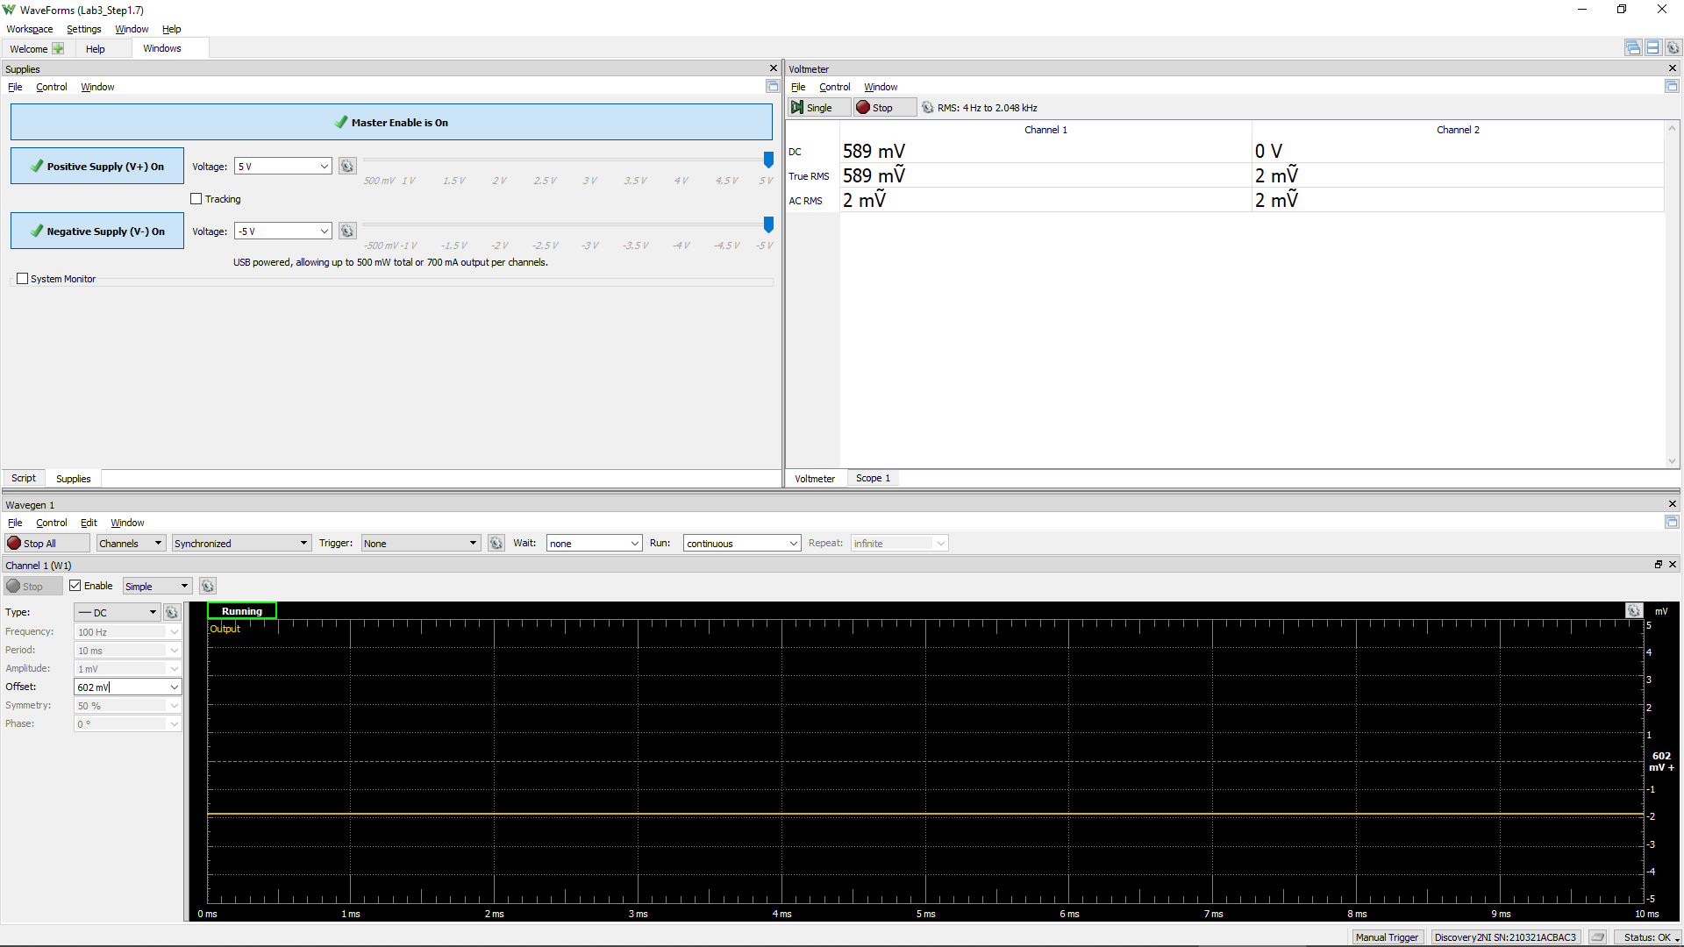
Measured Vo vs. Vsig of a Emitter Follower
Vsig (W1) | Vsig (CH1) | Vo (CH2)
Volts | Volts | Volts
-5
-4.5
-4
-3.5
-3
-2.5
-2
-1.5
-1
-0.5
0
0.5
1
1.5
2
2.5
3
3.5
4
4.5
5

Step 1.8
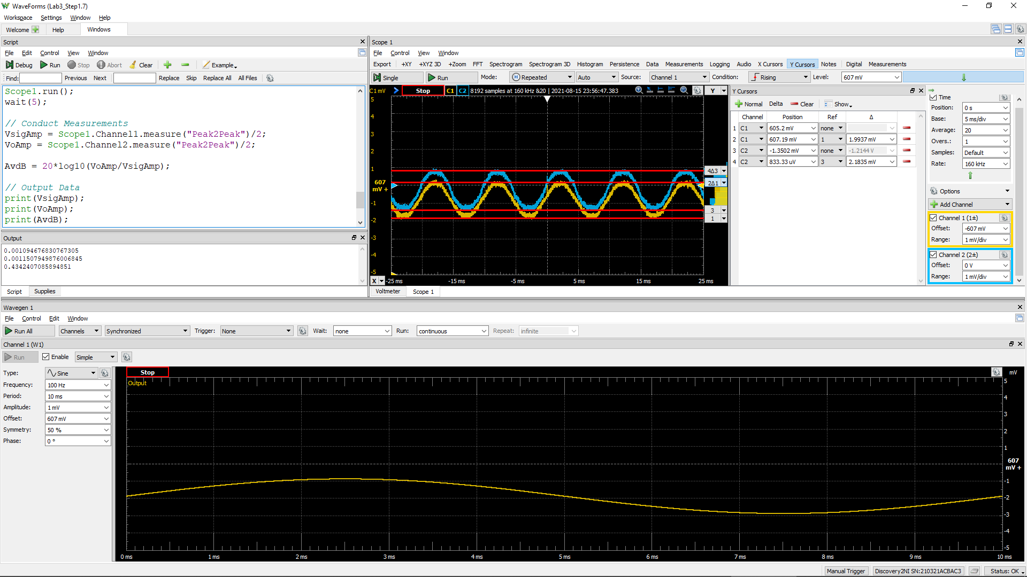
DC1 (V) = Vsig(Peak2Peak) | DC2 (V) = Vo(Peak2Peak) | Voltage Gain Av (dB)
 |  | #DIV/0!

Step 2.2
IREF and Io Relationship
IREF | Io | Vin | Vo | VEC(Q1) = VEB(Q1) | VEC(Q2)
Amps | Amps | Volts | Volts | Volts | Volts
1.00E-04 | 1.04E-04 | 4.42 | -3.96 | 0.58 | 8.96
1.10E-04 | 1.14E-04 | 4.42 | -3.86 | 0.58 | 8.86
1.20E-04 | 1.25E-04 | 4.42 | -3.75 | 0.58 | 8.75
1.30E-04 | 1.35E-04 | 4.41 | -3.65 | 0.59 | 8.65
1.40E-04 | 1.45E-04 | 4.41 | -3.55 | 0.59 | 8.55
1.50E-04 | 1.55E-04 | 4.41 | -3.45 | 0.59 | 8.45
1.60E-04 | 1.66E-04 | 4.41 | -3.34 | 0.59 | 8.34
1.70E-04 | 1.76E-04 | 4.40 | -3.24 | 0.60 | 8.24
1.80E-04 | 1.86E-04 | 4.40 | -3.14 | 0.60 | 8.14
1.90E-04 | 1.96E-04 | 4.40 | -3.04 | 0.60 | 8.04
2.00E-04 | 2.07E-04 | 4.40 | -2.93 | 0.60 | 7.93
2.10E-04 | 2.17E-04 | 4.40 | -2.83 | 0.60 | 7.83
2.20E-04 | 2.27E-04 | 4.40 | -2.73 | 0.60 | 7.73
2.30E-04 | 2.37E-04 | 4.39 | -2.63 | 0.61 | 7.63
2.40E-04 | 2.47E-04 | 4.39 | -2.53 | 0.61 | 7.53
2.50E-04 | 2.57E-04 | 4.39 | -2.43 | 0.61 | 7.43
2.60E-04 | 2.68E-04 | 4.39 | -2.32 | 0.61 | 7.32
2.70E-04 | 2.78E-04 | 4.39 | -2.22 | 0.61 | 7.22
2.80E-04 | 2.88E-04 | 4.39 | -2.12 | 0.61 | 7.12
2.90E-04 | 2.98E-04 | 4.39 | -2.02 | 0.61 | 7.02
3.00E-04 | 3.08E-04 | 4.38 | -1.92 | 0.62 | 6.92
3.10E-04 | 3.18E-04 | 4.38 | -1.82 | 0.62 | 6.82
3.20E-04 | 3.28E-04 | 4.38 | -1.72 | 0.62 | 6.72
3.30E-04 | 3.38E-04 | 4.38 | -1.62 | 0.62 | 6.62
3.40E-04 | 3.48E-04 | 4.38 | -1.52 | 0.62 | 6.52
3.50E-04 | 3.58E-04 | 4.38 | -1.42 | 0.62 | 6.42
3.60E-04 | 3.68E-04 | 4.38 | -1.32 | 0.62 | 6.32
3.70E-04 | 3.78E-04 | 4.38 | -1.22 | 0.62 | 6.22
3.80E-04 | 3.88E-04 | 4.38 | -1.12 | 0.62 | 6.12
3.90E-04 | 3.98E-04 | 4.37 | -1.02 | 0.63 | 6.02
4.00E-04 | 4.08E-04 | 4.37 | -0.92 | 0.63 | 5.92
4.10E-04 | 4.18E-04 | 4.37 | -0.82 | 0.63 | 5.82
4.20E-04 | 4.28E-04 | 4.37 | -0.72 | 0.63 | 5.72
4.30E-04 | 4.38E-04 | 4.37 | -0.62 | 0.63 | 5.62
4.40E-04 | 4.48E-04 | 4.37 | -0.52 | 0.63 | 5.52
4.50E-04 | 4.58E-04 | 4.37 | -0.42 | 0.63 | 5.42
4.60E-04 | 4.67E-04 | 4.37 | -0.33 | 0.63 | 5.33
4.70E-04 | 4.77E-04 | 4.37 | -0.23 | 0.63 | 5.23
4.80E-04 | 4.87E-04 | 4.37 | -0.13 | 0.63 | 5.13
4.90E-04 | 4.97E-04 | 4.37 | -0.03 | 0.63 | 5.03
5.00E-04 | 5.07E-04 | 4.37 | 0.07 | 0.63 | 4.93
5.10E-04 | 5.16E-04 | 4.37 | 0.16 | 0.63 | 4.84
5.20E-04 | 5.26E-04 | 4.36 | 0.26 | 0.64 | 4.74
5.30E-04 | 5.36E-04 | 4.36 | 0.36 | 0.64 | 4.64
5.40E-04 | 5.46E-04 | 4.36 | 0.46 | 0.64 | 4.54
5.50E-04 | 5.56E-04 | 4.36 | 0.56 | 0.64 | 4.44
5.60E-04 | 5.65E-04 | 4.36 | 0.65 | 0.64 | 4.35
5.70E-04 | 5.75E-04 | 4.36 | 0.75 | 0.64 | 4.25
5.80E-04 | 5.85E-04 | 4.36 | 0.85 | 0.64 | 4.15
5.90E-04 | 5.94E-04 | 4.36 | 0.94 | 0.64 | 4.06
6.00E-04 | 6.04E-04 | 4.36 | 1.04 | 0.64 | 3.96
6.10E-04 | 6.14E-04 | 4.36 | 1.14 | 0.64 | 3.86
6.20E-04 | 6.23E-04 | 4.36 | 1.23 | 0.64 | 3.77
6.30E-04 | 6.33E-04 | 4.36 | 1.33 | 0.64 | 3.67
6.40E-04 | 6.43E-04 | 4.36 | 1.43 | 0.64 | 3.57
6.50E-04 | 6.52E-04 | 4.36 | 1.52 | 0.64 | 3.48
6.60E-04 | 6.62E-04 | 4.36 | 1.62 | 0.64 | 3.38
6.70E-04 | 6.71E-04 | 4.36 | 1.71 | 0.64 | 3.29
6.80E-04 | 6.81E-04 | 4.36 | 1.81 | 0.64 | 3.19
6.90E-04 | 6.91E-04 | 4.35 | 1.91 | 0.65 | 3.09
7.00E-04 | 7.00E-04 | 4.35 | 2.00 | 0.65 | 3.00
7.10E-04 | 7.10E-04 | 4.35 | 2.10 | 0.65 | 2.90
7.20E-04 | 7.19E-04 | 4.35 | 2.19 | 0.65 | 2.81
7.30E-04 | 7.29E-04 | 4.35 | 2.29 | 0.65 | 2.71
7.40E-04 | 7.38E-04 | 4.35 | 2.38 | 0.65 | 2.62
7.50E-04 | 7.48E-04 | 4.35 | 2.48 | 0.65 | 2.52
7.60E-04 | 7.57E-04 | 4.35 | 2.57 | 0.65 | 2.43
7.70E-04 | 7.67E-04 | 4.35 | 2.67 | 0.65 | 2.33
7.80E-04 | 7.76E-04 | 4.35 | 2.76 | 0.65 | 2.24
7.90E-04 | 7.85E-04 | 4.35 | 2.85 | 0.65 | 2.15
8.00E-04 | 7.95E-04 | 4.35 | 2.95 | 0.65 | 2.05
8.10E-04 | 8.04E-04 | 4.35 | 3.04 | 0.65 | 1.96
8.20E-04 | 8.14E-04 | 4.35 | 3.14 | 0.65 | 1.86
8.30E-04 | 8.23E-04 | 4.35 | 3.23 | 0.65 | 1.77
8.40E-04 | 8.32E-04 | 4.35 | 3.32 | 0.65 | 1.68
8.50E-04 | 8.42E-04 | 4.35 | 3.42 | 0.65 | 1.58
8.60E-04 | 8.51E-04 | 4.35 | 3.51 | 0.65 | 1.49
8.70E-04 | 8.60E-04 | 4.35 | 3.60 | 0.65 | 1.40
8.80E-04 | 8.70E-04 | 4.35 | 3.70 | 0.65 | 1.30
8.90E-04 | 8.79E-04 | 4.35 | 3.79 | 0.65 | 1.21
9.00E-04 | 8.88E-04 | 4.34 | 3.88 | 0.66 | 1.12
9.10E-04 | 8.98E-04 | 4.34 | 3.98 | 0.66 | 1.02
9.20E-04 | 9.07E-04 | 4.34 | 4.07 | 0.66 | 0.93
9.30E-04 | 9.16E-04 | 4.34 | 4.16 | 0.66 | 0.84
9.40E-04 | 9.25E-04 | 4.34 | 4.25 | 0.66 | 0.75
9.50E-04 | 9.35E-04 | 4.34 | 4.35 | 0.66 | 0.65
9.60E-04 | 9.44E-04 | 4.34 | 4.44 | 0.66 | 0.56
9.70E-04 | 9.53E-04 | 4.34 | 4.53 | 0.66 | 0.47
9.80E-04 | 9.62E-04 | 4.34 | 4.62 | 0.66 | 0.38
9.90E-04 | 9.69E-04 | 4.34 | 4.69 | 0.66 | 0.31
1.00E-03 | 9.75E-04 | 4.34 | 4.75 | 0.66 | 0.25

Step 2.3
IREF and Io Relationship
IREF | Io | Vin | Vo | VEC(Q1) = VEB(Q1) | VEC(Q2)
Amps | Amps | Volts | Volts | Volts | Volts
8.50E-05 | 8.84E-05 | 4.43 | -4.12 | 0.57 | 9.12
8.51E-05 | 8.85E-05 | 4.43 | -4.12 | 0.57 | 9.12
8.52E-05 | 8.86E-05 | 4.43 | -4.11 | 0.57 | 9.11
8.53E-05 | 8.87E-05 | 4.43 | -4.11 | 0.57 | 9.11
8.54E-05 | 8.88E-05 | 4.43 | -4.11 | 0.57 | 9.11
8.55E-05 | 8.89E-05 | 4.43 | -4.11 | 0.57 | 9.11
8.56E-05 | 8.90E-05 | 4.43 | -4.11 | 0.57 | 9.11
8.57E-05 | 8.91E-05 | 4.43 | -4.11 | 0.57 | 9.11
8.58E-05 | 8.92E-05 | 4.43 | -4.11 | 0.57 | 9.11
8.59E-05 | 8.93E-05 | 4.43 | -4.11 | 0.57 | 9.11
8.60E-05 | 8.94E-05 | 4.43 | -4.11 | 0.57 | 9.11
8.61E-05 | 8.95E-05 | 4.43 | -4.10 | 0.57 | 9.10
8.62E-05 | 8.96E-05 | 4.43 | -4.10 | 0.57 | 9.10
8.63E-05 | 8.97E-05 | 4.43 | -4.10 | 0.57 | 9.10
8.64E-05 | 8.98E-05 | 4.43 | -4.10 | 0.57 | 9.10
8.65E-05 | 8.99E-05 | 4.43 | -4.10 | 0.57 | 9.10
8.66E-05 | 9.00E-05 | 4.43 | -4.10 | 0.57 | 9.10
8.67E-05 | 9.01E-05 | 4.43 | -4.10 | 0.57 | 9.10
8.68E-05 | 9.02E-05 | 4.43 | -4.10 | 0.57 | 9.10
8.69E-05 | 9.03E-05 | 4.43 | -4.10 | 0.57 | 9.10
8.70E-05 | 9.04E-05 | 4.43 | -4.10 | 0.57 | 9.10
8.71E-05 | 9.06E-05 | 4.43 | -4.09 | 0.57 | 9.09
8.72E-05 | 9.07E-05 | 4.43 | -4.09 | 0.57 | 9.09
8.73E-05 | 9.08E-05 | 4.43 | -4.09 | 0.57 | 9.09
8.74E-05 | 9.09E-05 | 4.43 | -4.09 | 0.57 | 9.09
8.75E-05 | 9.10E-05 | 4.43 | -4.09 | 0.57 | 9.09
8.76E-05 | 9.11E-05 | 4.43 | -4.09 | 0.57 | 9.09
8.77E-05 | 9.12E-05 | 4.43 | -4.09 | 0.57 | 9.09
8.78E-05 | 9.13E-05 | 4.43 | -4.09 | 0.57 | 9.09
8.79E-05 | 9.14E-05 | 4.43 | -4.09 | 0.57 | 9.09
8.80E-05 | 9.15E-05 | 4.43 | -4.09 | 0.57 | 9.09
8.81E-05 | 9.16E-05 | 4.43 | -4.08 | 0.57 | 9.08
8.82E-05 | 9.17E-05 | 4.43 | -4.08 | 0.57 | 9.08
8.83E-05 | 9.18E-05 | 4.43 | -4.08 | 0.57 | 9.08
8.84E-05 | 9.19E-05 | 4.43 | -4.08 | 0.57 | 9.08
8.85E-05 | 9.20E-05 | 4.43 | -4.08 | 0.57 | 9.08
8.86E-05 | 9.21E-05 | 4.43 | -4.08 | 0.57 | 9.08
8.87E-05 | 9.22E-05 | 4.43 | -4.08 | 0.57 | 9.08
8.88E-05 | 9.23E-05 | 4.43 | -4.08 | 0.57 | 9.08
8.89E-05 | 9.24E-05 | 4.43 | -4.08 | 0.57 | 9.08
8.90E-05 | 9.25E-05 | 4.43 | -4.07 | 0.57 | 9.07
8.91E-05 | 9.26E-05 | 4.43 | -4.07 | 0.57 | 9.07
8.92E-05 | 9.27E-05 | 4.43 | -4.07 | 0.57 | 9.07
8.93E-05 | 9.28E-05 | 4.43 | -4.07 | 0.57 | 9.07
8.94E-05 | 9.29E-05 | 4.43 | -4.07 | 0.57 | 9.07
8.95E-05 | 9.30E-05 | 4.43 | -4.07 | 0.57 | 9.07
8.96E-05 | 9.31E-05 | 4.43 | -4.07 | 0.57 | 9.07
8.97E-05 | 9.32E-05 | 4.43 | -4.07 | 0.57 | 9.07
8.98E-05 | 9.33E-05 | 4.43 | -4.07 | 0.57 | 9.07
8.99E-05 | 9.35E-05 | 4.43 | -4.07 | 0.57 | 9.07
9.00E-05 | 9.36E-05 | 4.43 | -4.06 | 0.57 | 9.06
9.01E-05 | 9.37E-05 | 4.43 | -4.06 | 0.57 | 9.06
9.02E-05 | 9.38E-05 | 4.43 | -4.06 | 0.57 | 9.06
9.03E-05 | 9.39E-05 | 4.43 | -4.06 | 0.57 | 9.06
9.04E-05 | 9.40E-05 | 4.43 | -4.06 | 0.57 | 9.06
9.05E-05 | 9.41E-05 | 4.43 | -4.06 | 0.57 | 9.06
9.06E-05 | 9.42E-05 | 4.43 | -4.06 | 0.57 | 9.06
9.07E-05 | 9.43E-05 | 4.43 | -4.06 | 0.57 | 9.06
9.08E-05 | 9.44E-05 | 4.43 | -4.06 | 0.57 | 9.06
9.09E-05 | 9.45E-05 | 4.43 | -4.06 | 0.57 | 9.06
9.10E-05 | 9.46E-05 | 4.43 | -4.05 | 0.57 | 9.05
9.11E-05 | 9.47E-05 | 4.43 | -4.05 | 0.57 | 9.05
9.12E-05 | 9.48E-05 | 4.43 | -4.05 | 0.57 | 9.05
9.13E-05 | 9.49E-05 | 4.43 | -4.05 | 0.57 | 9.05
9.14E-05 | 9.50E-05 | 4.43 | -4.05 | 0.57 | 9.05
9.15E-05 | 9.51E-05 | 4.43 | -4.05 | 0.57 | 9.05
9.16E-05 | 9.52E-05 | 4.43 | -4.05 | 0.57 | 9.05
9.17E-05 | 9.53E-05 | 4.43 | -4.05 | 0.57 | 9.05
9.18E-05 | 9.54E-05 | 4.43 | -4.05 | 0.57 | 9.05
9.19E-05 | 9.55E-05 | 4.43 | -4.04 | 0.57 | 9.04
9.20E-05 | 9.56E-05 | 4.43 | -4.04 | 0.57 | 9.04
9.21E-05 | 9.57E-05 | 4.43 | -4.04 | 0.57 | 9.04
9.22E-05 | 9.58E-05 | 4.43 | -4.04 | 0.57 | 9.04
9.23E-05 | 9.59E-05 | 4.43 | -4.04 | 0.57 | 9.04
9.24E-05 | 9.60E-05 | 4.43 | -4.04 | 0.57 | 9.04
9.25E-05 | 9.61E-05 | 4.43 | -4.04 | 0.57 | 9.04
9.26E-05 | 9.62E-05 | 4.43 | -4.04 | 0.57 | 9.04
9.27E-05 | 9.63E-05 | 4.43 | -4.04 | 0.57 | 9.04
9.28E-05 | 9.65E-05 | 4.43 | -4.04 | 0.57 | 9.04
9.29E-05 | 9.66E-05 | 4.43 | -4.03 | 0.57 | 9.03
9.30E-05 | 9.67E-05 | 4.43 | -4.03 | 0.57 | 9.03
9.31E-05 | 9.68E-05 | 4.43 | -4.03 | 0.57 | 9.03
9.32E-05 | 9.69E-05 | 4.43 | -4.03 | 0.57 | 9.03
9.33E-05 | 9.70E-05 | 4.43 | -4.03 | 0.57 | 9.03
9.34E-05 | 9.71E-05 | 4.43 | -4.03 | 0.57 | 9.03
9.35E-05 | 9.72E-05 | 4.43 | -4.03 | 0.57 | 9.03
9.36E-05 | 9.73E-05 | 4.43 | -4.03 | 0.57 | 9.03
9.37E-05 | 9.74E-05 | 4.43 | -4.03 | 0.57 | 9.03
9.38E-05 | 9.75E-05 | 4.43 | -4.03 | 0.57 | 9.03
9.39E-05 | 9.76E-05 | 4.43 | -4.02 | 0.57 | 9.02
9.40E-05 | 9.77E-05 | 4.43 | -4.02 | 0.57 | 9.02
9.41E-05 | 9.78E-05 | 4.43 | -4.02 | 0.57 | 9.02
9.42E-05 | 9.79E-05 | 4.43 | -4.02 | 0.57 | 9.02
9.43E-05 | 9.80E-05 | 4.43 | -4.02 | 0.57 | 9.02
9.44E-05 | 9.81E-05 | 4.43 | -4.02 | 0.57 | 9.02
9.45E-05 | 9.82E-05 | 4.43 | -4.02 | 0.57 | 9.02
9.46E-05 | 9.83E-05 | 4.43 | -4.02 | 0.57 | 9.02
9.47E-05 | 9.84E-05 | 4.43 | -4.02 | 0.57 | 9.02
9.48E-05 | 9.85E-05 | 4.43 | -4.01 | 0.57 | 9.01
9.49E-05 | 9.86E-05 | 4.43 | -4.01 | 0.57 | 9.01
9.50E-05 | 9.87E-05 | 4.42 | -4.01 | 0.58 | 9.01

Step 3.2
Frequency | vm(vo) | ph(v(vo)) | Ad = 20*log(|Vo|/2mV) | GBW | GBW in Step 3.6, Lab 2
Hz | Volts | deg | dB | Hz | Hz | PartSim Screenshots of Schematics and DC Bias
1.00E+02 | 1.61E+01 | -5.18E-01 | 78.11 | 9.01E+07 | 7.95E+07
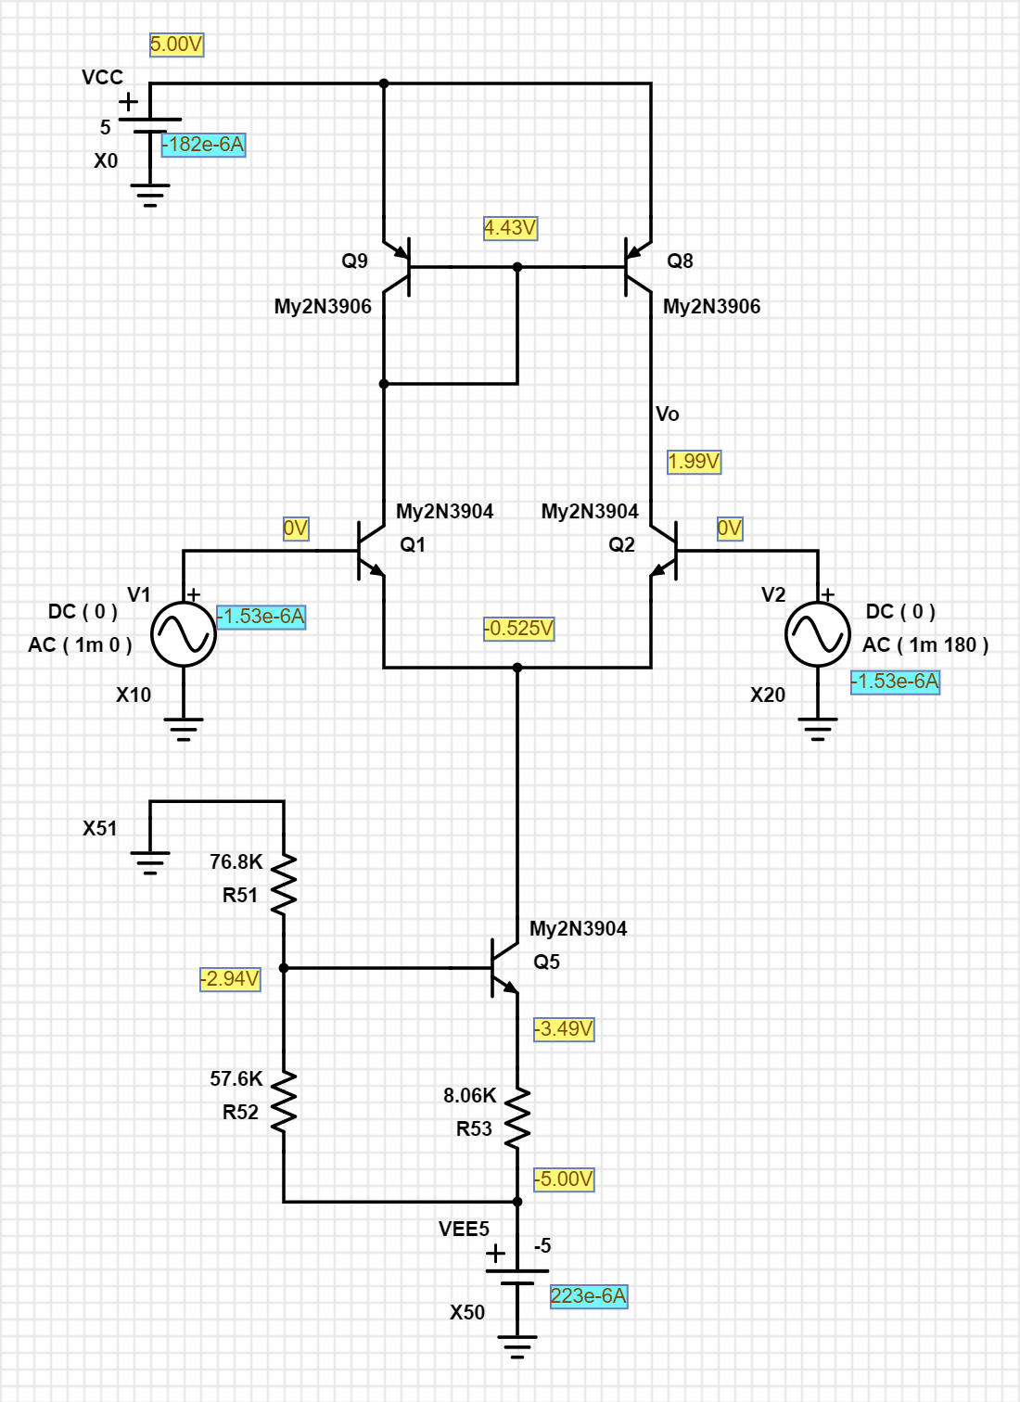
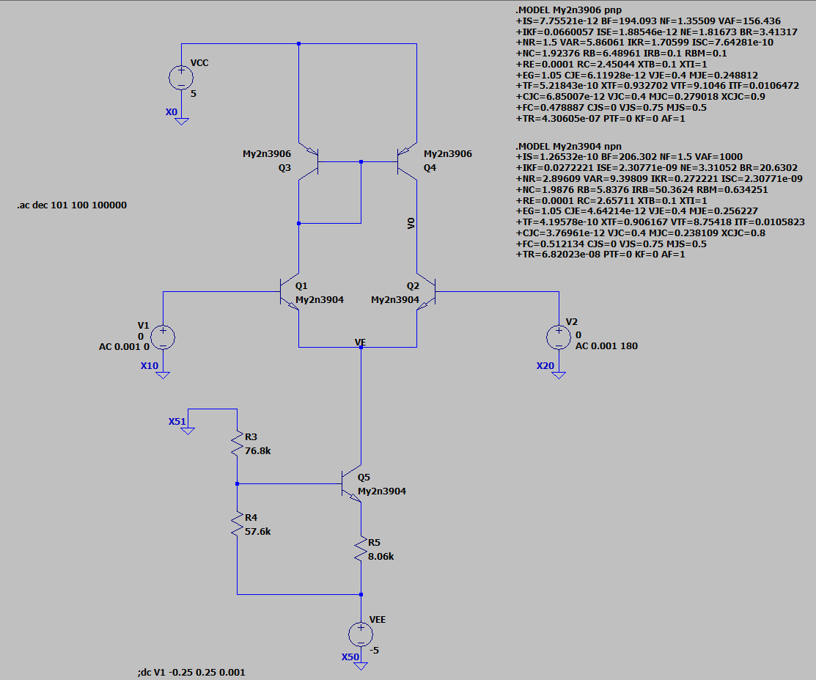
1.02E+02 | 1.61E+01 | -5.30E-01 | 78.11
1.05E+02 | 1.61E+01 | -5.42E-01 | 78.11
1.07E+02 | 1.61E+01 | -5.55E-01 | 78.11
1.10E+02 | 1.61E+01 | -5.68E-01 | 78.11
1.12E+02 | 1.61E+01 | -5.81E-01 | 78.11
1.15E+02 | 1.61E+01 | -5.94E-01 | 78.11
1.17E+02 | 1.61E+01 | -6.08E-01 | 78.11
1.20E+02 | 1.61E+01 | -6.22E-01 | 78.11
1.23E+02 | 1.61E+01 | -6.36E-01 | 78.11
1.26E+02 | 1.61E+01 | -6.51E-01 | 78.11
1.29E+02 | 1.61E+01 | -6.66E-01 | 78.11
1.31E+02 | 1.61E+01 | -6.81E-01 | 78.11
1.34E+02 | 1.61E+01 | -6.97E-01 | 78.11
1.38E+02 | 1.61E+01 | -7.13E-01 | 78.11
1.41E+02 | 1.61E+01 | -7.29E-01 | 78.11
1.44E+02 | 1.61E+01 | -7.46E-01 | 78.11
1.47E+02 | 1.61E+01 | -7.63E-01 | 78.11
1.51E+02 | 1.61E+01 | -7.81E-01 | 78.11
1.54E+02 | 1.61E+01 | -7.99E-01 | 78.11
1.58E+02 | 1.61E+01 | -8.17E-01 | 78.11
1.61E+02 | 1.61E+01 | -8.36E-01 | 78.11
1.65E+02 | 1.61E+01 | -8.55E-01 | 78.11
1.69E+02 | 1.61E+01 | -8.75E-01 | 78.11
1.73E+02 | 1.61E+01 | -8.95E-01 | 78.11
1.77E+02 | 1.61E+01 | -9.16E-01 | 78.11
1.81E+02 | 1.61E+01 | -9.37E-01 | 78.11
1.85E+02 | 1.61E+01 | -9.59E-01 | 78.11
1.89E+02 | 1.61E+01 | -9.81E-01 | 78.11
1.94E+02 | 1.61E+01 | -1.00E+00 | 78.11
1.98E+02 | 1.61E+01 | -1.03E+00 | 78.11
2.03E+02 | 1.61E+01 | -1.05E+00 | 78.11
2.07E+02 | 1.61E+01 | -1.07E+00 | 78.11
2.12E+02 | 1.61E+01 | -1.10E+00 | 78.11
2.17E+02 | 1.61E+01 | -1.12E+00 | 78.11
2.22E+02 | 1.61E+01 | -1.15E+00 | 78.11
2.27E+02 | 1.61E+01 | -1.18E+00 | 78.11
2.32E+02 | 1.61E+01 | -1.20E+00 | 78.11
2.38E+02 | 1.61E+01 | -1.23E+00 | 78.11
2.43E+02 | 1.61E+01 | -1.26E+00 | 78.11
2.49E+02 | 1.61E+01 | -1.29E+00 | 78.11
2.55E+02 | 1.61E+01 | -1.32E+00 | 78.11
2.61E+02 | 1.61E+01 | -1.35E+00 | 78.11
2.67E+02 | 1.61E+01 | -1.38E+00 | 78.11
2.73E+02 | 1.61E+01 | -1.41E+00 | 78.11
2.79E+02 | 1.61E+01 | -1.44E+00 | 78.11
2.85E+02 | 1.61E+01 | -1.48E+00 | 78.11
2.92E+02 | 1.61E+01 | -1.51E+00 | 78.11 |  |  | PartSim Screenshot of AC Frequency Response Vo
2.99E+02 | 1.61E+01 | -1.55E+00 | 78.11
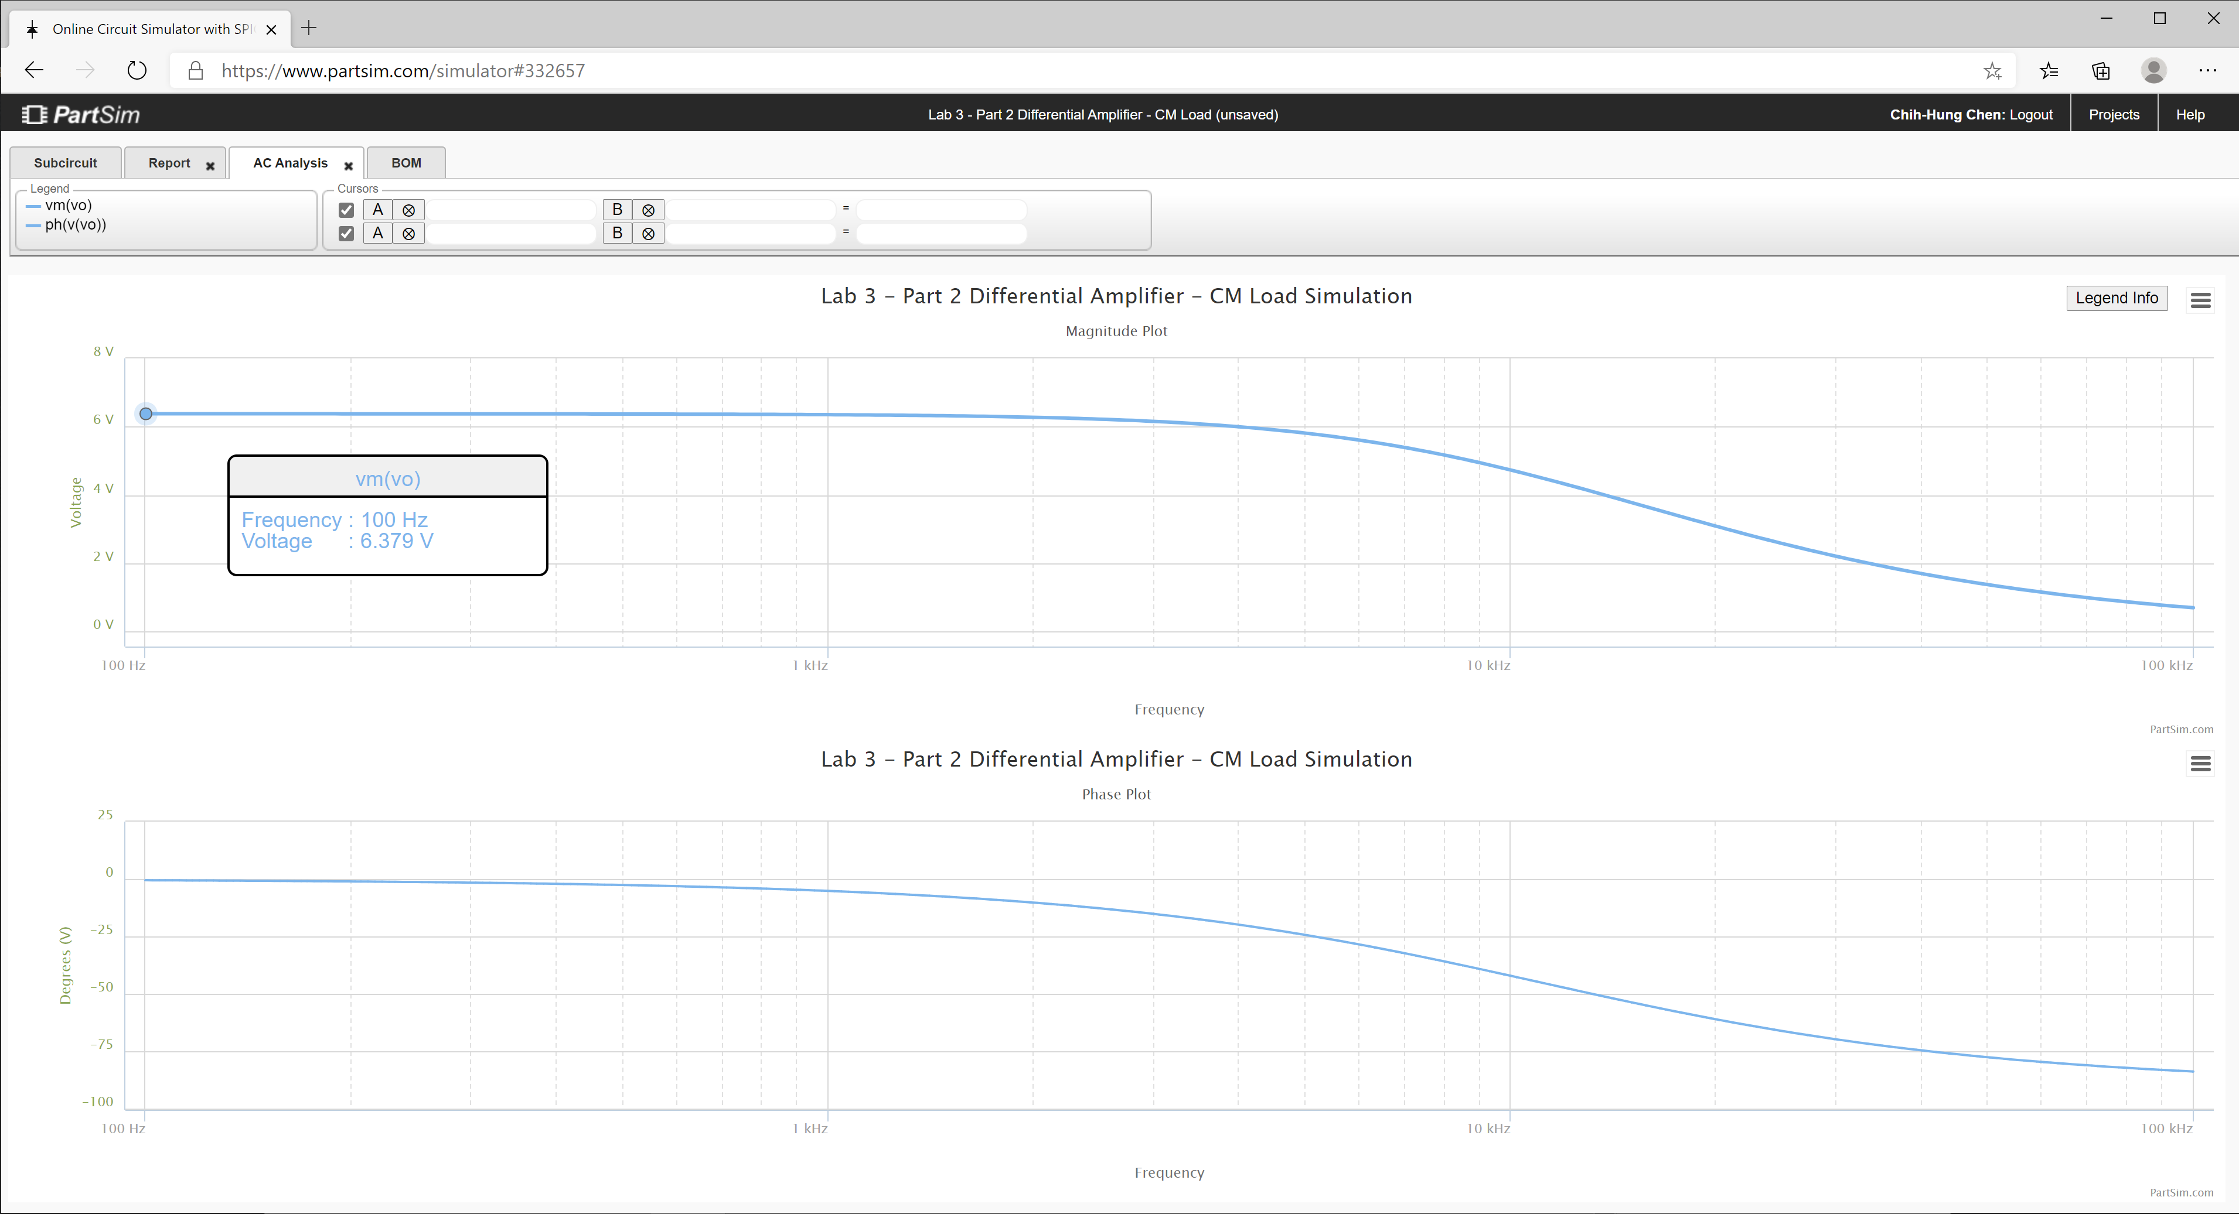
3.06E+02 | 1.61E+01 | -1.58E+00 | 78.11
3.13E+02 | 1.61E+01 | -1.62E+00 | 78.11
3.20E+02 | 1.61E+01 | -1.66E+00 | 78.11
3.27E+02 | 1.61E+01 | -1.69E+00 | 78.11
3.35E+02 | 1.61E+01 | -1.73E+00 | 78.11
3.42E+02 | 1.61E+01 | -1.77E+00 | 78.11
3.50E+02 | 1.61E+01 | -1.81E+00 | 78.11
3.58E+02 | 1.61E+01 | -1.86E+00 | 78.11
3.67E+02 | 1.61E+01 | -1.90E+00 | 78.11
3.75E+02 | 1.61E+01 | -1.94E+00 | 78.11
3.84E+02 | 1.61E+01 | -1.99E+00 | 78.11
3.93E+02 | 1.61E+01 | -2.03E+00 | 78.11
4.02E+02 | 1.61E+01 | -2.08E+00 | 78.11
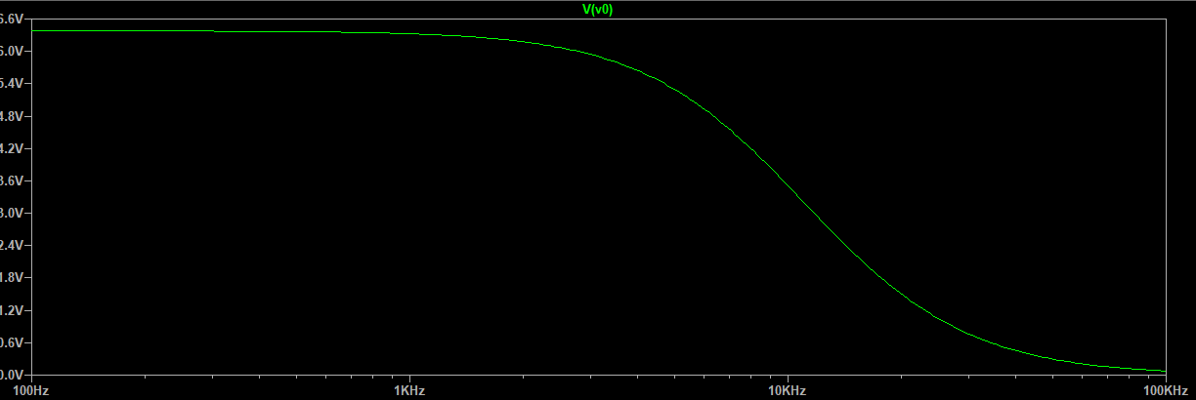
4.11E+02 | 1.61E+01 | -2.13E+00 | 78.11
4.20E+02 | 1.61E+01 | -2.18E+00 | 78.11
4.30E+02 | 1.61E+01 | -2.23E+00 | 78.11
4.40E+02 | 1.61E+01 | -2.28E+00 | 78.11
4.50E+02 | 1.61E+01 | -2.33E+00 | 78.11
4.61E+02 | 1.61E+01 | -2.39E+00 | 78.11
4.71E+02 | 1.61E+01 | -2.44E+00 | 78.11
4.82E+02 | 1.61E+01 | -2.50E+00 | 78.11
4.93E+02 | 1.61E+01 | -2.55E+00 | 78.11
5.05E+02 | 1.61E+01 | -2.61E+00 | 78.11
5.16E+02 | 1.61E+01 | -2.67E+00 | 78.11
5.28E+02 | 1.61E+01 | -2.73E+00 | 78.11
5.40E+02 | 1.61E+01 | -2.80E+00 | 78.11
5.53E+02 | 1.61E+01 | -2.86E+00 | 78.11
5.66E+02 | 1.61E+01 | -2.93E+00 | 78.11
5.79E+02 | 1.61E+01 | -2.99E+00 | 78.11
5.92E+02 | 1.61E+01 | -3.06E+00 | 78.11
6.06E+02 | 1.61E+01 | -3.13E+00 | 78.11
6.20E+02 | 1.61E+01 | -3.21E+00 | 78.11
6.34E+02 | 1.61E+01 | -3.28E+00 | 78.11
6.48E+02 | 1.61E+01 | -3.36E+00 | 78.10
6.63E+02 | 1.61E+01 | -3.43E+00 | 78.10
6.79E+02 | 1.61E+01 | -3.51E+00 | 78.10
6.94E+02 | 1.61E+01 | -3.59E+00 | 78.10
7.10E+02 | 1.61E+01 | -3.68E+00 | 78.10
7.27E+02 | 1.61E+01 | -3.76E+00 | 78.10
7.44E+02 | 1.61E+01 | -3.85E+00 | 78.10
7.61E+02 | 1.61E+01 | -3.93E+00 | 78.10
7.78E+02 | 1.61E+01 | -4.02E+00 | 78.10
7.96E+02 | 1.61E+01 | -4.12E+00 | 78.10
8.15E+02 | 1.61E+01 | -4.21E+00 | 78.10
8.33E+02 | 1.61E+01 | -4.31E+00 | 78.10
8.52E+02 | 1.61E+01 | -4.41E+00 | 78.10
8.72E+02 | 1.61E+01 | -4.51E+00 | 78.10
8.92E+02 | 1.61E+01 | -4.61E+00 | 78.10
9.13E+02 | 1.61E+01 | -4.72E+00 | 78.10
9.34E+02 | 1.61E+01 | -4.83E+00 | 78.10
9.55E+02 | 1.61E+01 | -4.94E+00 | 78.10
9.77E+02 | 1.61E+01 | -5.05E+00 | 78.09
1.00E+03 | 1.61E+01 | -5.17E+00 | 78.09
1.02E+03 | 1.61E+01 | -5.29E+00 | 78.09
1.05E+03 | 1.61E+01 | -5.41E+00 | 78.09
1.07E+03 | 1.61E+01 | -5.53E+00 | 78.09
1.10E+03 | 1.61E+01 | -5.66E+00 | 78.09
1.12E+03 | 1.61E+01 | -5.79E+00 | 78.09
1.15E+03 | 1.60E+01 | -5.92E+00 | 78.09
1.17E+03 | 1.60E+01 | -6.05E+00 | 78.09
1.20E+03 | 1.60E+01 | -6.19E+00 | 78.09
1.23E+03 | 1.60E+01 | -6.33E+00 | 78.08
1.26E+03 | 1.60E+01 | -6.48E+00 | 78.08
1.29E+03 | 1.60E+01 | -6.63E+00 | 78.08
1.31E+03 | 1.60E+01 | -6.78E+00 | 78.08
1.34E+03 | 1.60E+01 | -6.93E+00 | 78.08
1.38E+03 | 1.60E+01 | -7.09E+00 | 78.08
1.41E+03 | 1.60E+01 | -7.25E+00 | 78.08
1.44E+03 | 1.60E+01 | -7.42E+00 | 78.07
1.47E+03 | 1.60E+01 | -7.59E+00 | 78.07
1.51E+03 | 1.60E+01 | -7.76E+00 | 78.07
1.54E+03 | 1.60E+01 | -7.94E+00 | 78.07
1.58E+03 | 1.60E+01 | -8.12E+00 | 78.07
1.61E+03 | 1.60E+01 | -8.30E+00 | 78.06
1.65E+03 | 1.60E+01 | -8.49E+00 | 78.06
1.69E+03 | 1.60E+01 | -8.68E+00 | 78.06
1.73E+03 | 1.60E+01 | -8.88E+00 | 78.06
1.77E+03 | 1.60E+01 | -9.08E+00 | 78.05
1.81E+03 | 1.60E+01 | -9.29E+00 | 78.05
1.85E+03 | 1.60E+01 | -9.50E+00 | 78.05
1.89E+03 | 1.60E+01 | -9.71E+00 | 78.05
1.94E+03 | 1.60E+01 | -9.93E+00 | 78.04
1.98E+03 | 1.60E+01 | -1.02E+01 | 78.04
2.03E+03 | 1.60E+01 | -1.04E+01 | 78.04
2.07E+03 | 1.59E+01 | -1.06E+01 | 78.03
2.12E+03 | 1.59E+01 | -1.09E+01 | 78.03
2.17E+03 | 1.59E+01 | -1.11E+01 | 78.02
2.22E+03 | 1.59E+01 | -1.14E+01 | 78.02
2.27E+03 | 1.59E+01 | -1.16E+01 | 78.02
2.32E+03 | 1.59E+01 | -1.19E+01 | 78.01
2.38E+03 | 1.59E+01 | -1.21E+01 | 78.01
2.43E+03 | 1.59E+01 | -1.24E+01 | 78.00
2.49E+03 | 1.59E+01 | -1.27E+01 | 78.00
2.55E+03 | 1.59E+01 | -1.30E+01 | 77.99
2.61E+03 | 1.59E+01 | -1.33E+01 | 77.99
2.67E+03 | 1.58E+01 | -1.35E+01 | 77.98
2.73E+03 | 1.58E+01 | -1.39E+01 | 77.97
2.79E+03 | 1.58E+01 | -1.42E+01 | 77.97
2.85E+03 | 1.58E+01 | -1.45E+01 | 77.96
2.92E+03 | 1.58E+01 | -1.48E+01 | 77.95
2.99E+03 | 1.58E+01 | -1.51E+01 | 77.95
3.06E+03 | 1.58E+01 | -1.54E+01 | 77.94
3.13E+03 | 1.58E+01 | -1.58E+01 | 77.93
3.20E+03 | 1.57E+01 | -1.61E+01 | 77.92
3.27E+03 | 1.57E+01 | -1.65E+01 | 77.91
3.35E+03 | 1.57E+01 | -1.68E+01 | 77.91
3.42E+03 | 1.57E+01 | -1.72E+01 | 77.90
3.50E+03 | 1.57E+01 | -1.76E+01 | 77.89
3.58E+03 | 1.57E+01 | -1.80E+01 | 77.88
3.67E+03 | 1.56E+01 | -1.83E+01 | 77.87
3.75E+03 | 1.56E+01 | -1.87E+01 | 77.85
3.84E+03 | 1.56E+01 | -1.91E+01 | 77.84
3.93E+03 | 1.56E+01 | -1.95E+01 | 77.83
4.02E+03 | 1.56E+01 | -2.00E+01 | 77.82
4.11E+03 | 1.55E+01 | -2.04E+01 | 77.80
4.20E+03 | 1.55E+01 | -2.08E+01 | 77.79
4.30E+03 | 1.55E+01 | -2.13E+01 | 77.78
4.40E+03 | 1.55E+01 | -2.17E+01 | 77.76
4.50E+03 | 1.54E+01 | -2.22E+01 | 77.75
4.61E+03 | 1.54E+01 | -2.26E+01 | 77.73
4.71E+03 | 1.54E+01 | -2.31E+01 | 77.71
4.82E+03 | 1.53E+01 | -2.36E+01 | 77.70
4.93E+03 | 1.53E+01 | -2.40E+01 | 77.68
5.05E+03 | 1.53E+01 | -2.45E+01 | 77.66
5.16E+03 | 1.52E+01 | -2.50E+01 | 77.64
5.28E+03 | 1.52E+01 | -2.55E+01 | 77.62
5.40E+03 | 1.52E+01 | -2.60E+01 | 77.60
5.53E+03 | 1.51E+01 | -2.66E+01 | 77.57
5.66E+03 | 1.51E+01 | -2.71E+01 | 77.55
5.79E+03 | 1.50E+01 | -2.76E+01 | 77.53
5.92E+03 | 1.50E+01 | -2.82E+01 | 77.50
6.06E+03 | 1.50E+01 | -2.87E+01 | 77.48
6.20E+03 | 1.49E+01 | -2.93E+01 | 77.45
6.34E+03 | 1.49E+01 | -2.98E+01 | 77.42
6.48E+03 | 1.48E+01 | -3.04E+01 | 77.39
6.63E+03 | 1.48E+01 | -3.10E+01 | 77.36
6.79E+03 | 1.47E+01 | -3.15E+01 | 77.33
6.94E+03 | 1.47E+01 | -3.21E+01 | 77.30
7.10E+03 | 1.46E+01 | -3.27E+01 | 77.26
7.27E+03 | 1.45E+01 | -3.33E+01 | 77.23
7.44E+03 | 1.45E+01 | -3.39E+01 | 77.19
7.61E+03 | 1.44E+01 | -3.45E+01 | 77.15
7.78E+03 | 1.43E+01 | -3.51E+01 | 77.12
7.96E+03 | 1.43E+01 | -3.58E+01 | 77.08
8.15E+03 | 1.42E+01 | -3.64E+01 | 77.03
8.33E+03 | 1.41E+01 | -3.70E+01 | 76.99
8.52E+03 | 1.41E+01 | -3.76E+01 | 76.95
8.72E+03 | 1.40E+01 | -3.83E+01 | 76.90
8.92E+03 | 1.39E+01 | -3.89E+01 | 76.85
9.13E+03 | 1.38E+01 | -3.95E+01 | 76.80
9.34E+03 | 1.38E+01 | -4.02E+01 | 76.75
9.55E+03 | 1.37E+01 | -4.08E+01 | 76.70
9.77E+03 | 1.36E+01 | -4.15E+01 | 76.64
1.00E+04 | 1.35E+01 | -4.21E+01 | 76.59
1.02E+04 | 1.34E+01 | -4.28E+01 | 76.53
1.05E+04 | 1.33E+01 | -4.34E+01 | 76.47
1.07E+04 | 1.32E+01 | -4.41E+01 | 76.41
1.10E+04 | 1.31E+01 | -4.47E+01 | 76.34
1.12E+04 | 1.30E+01 | -4.54E+01 | 76.28
1.15E+04 | 1.29E+01 | -4.60E+01 | 76.21
1.17E+04 | 1.28E+01 | -4.67E+01 | 76.14
1.20E+04 | 1.27E+01 | -4.73E+01 | 76.07
1.23E+04 | 1.26E+01 | -4.80E+01 | 75.99
1.26E+04 | 1.25E+01 | -4.86E+01 | 75.92
1.29E+04 | 1.24E+01 | -4.93E+01 | 75.84
1.31E+04 | 1.23E+01 | -4.99E+01 | 75.76
1.34E+04 | 1.22E+01 | -5.06E+01 | 75.67
1.38E+04 | 1.20E+01 | -5.12E+01 | 75.59
1.41E+04 | 1.19E+01 | -5.19E+01 | 75.50
1.44E+04 | 1.18E+01 | -5.25E+01 | 75.41
1.47E+04 | 1.17E+01 | -5.31E+01 | 75.32
1.51E+04 | 1.15E+01 | -5.37E+01 | 75.22
1.54E+04 | 1.14E+01 | -5.44E+01 | 75.12
1.58E+04 | 1.13E+01 | -5.50E+01 | 75.02
1.61E+04 | 1.11E+01 | -5.56E+01 | 74.92
1.65E+04 | 1.10E+01 | -5.62E+01 | 74.81
1.69E+04 | 1.09E+01 | -5.68E+01 | 74.70
1.73E+04 | 1.07E+01 | -5.74E+01 | 74.59
1.77E+04 | 1.06E+01 | -5.80E+01 | 74.47
1.81E+04 | 1.04E+01 | -5.86E+01 | 74.36
1.85E+04 | 1.03E+01 | -5.91E+01 | 74.23
1.89E+04 | 1.02E+01 | -5.97E+01 | 74.11
1.94E+04 | 1.00E+01 | -6.03E+01 | 73.98
1.98E+04 | 9.85E+00 | -6.08E+01 | 73.85
2.03E+04 | 9.70E+00 | -6.14E+01 | 73.72
2.07E+04 | 9.55E+00 | -6.19E+01 | 73.58
2.12E+04 | 9.39E+00 | -6.25E+01 | 73.43
2.17E+04 | 9.24E+00 | -6.30E+01 | 73.29
2.22E+04 | 9.08E+00 | -6.35E+01 | 73.14
2.27E+04 | 8.92E+00 | -6.41E+01 | 72.99
2.32E+04 | 8.76E+00 | -6.46E+01 | 72.83
2.38E+04 | 8.60E+00 | -6.51E+01 | 72.66
2.43E+04 | 8.43E+00 | -6.56E+01 | 72.50
2.49E+04 | 8.27E+00 | -6.61E+01 | 72.33
2.55E+04 | 8.10E+00 | -6.65E+01 | 72.15
2.61E+04 | 7.93E+00 | -6.70E+01 | 71.97
2.67E+04 | 7.77E+00 | -6.75E+01 | 71.78
2.73E+04 | 7.60E+00 | -6.79E+01 | 71.59
2.79E+04 | 7.43E+00 | -6.84E+01 | 71.39
2.85E+04 | 7.25E+00 | -6.88E+01 | 71.19
2.92E+04 | 7.08E+00 | -6.93E+01 | 70.98
2.99E+04 | 6.91E+00 | -6.97E+01 | 70.77
3.06E+04 | 6.73E+00 | -7.01E+01 | 70.54
3.13E+04 | 6.56E+00 | -7.05E+01 | 70.31
3.20E+04 | 6.38E+00 | -7.10E+01 | 70.08
3.27E+04 | 6.20E+00 | -7.14E+01 | 69.83
3.35E+04 | 6.03E+00 | -7.17E+01 | 69.58
3.42E+04 | 5.85E+00 | -7.21E+01 | 69.32
3.50E+04 | 5.67E+00 | -7.25E+01 | 69.05
3.58E+04 | 5.49E+00 | -7.29E+01 | 68.77
3.67E+04 | 5.31E+00 | -7.32E+01 | 68.47
3.75E+04 | 5.12E+00 | -7.36E+01 | 68.17
3.84E+04 | 4.94E+00 | -7.40E+01 | 67.86
3.93E+04 | 4.76E+00 | -7.43E+01 | 67.53
4.02E+04 | 4.57E+00 | -7.46E+01 | 67.19
4.11E+04 | 4.39E+00 | -7.50E+01 | 66.83
4.20E+04 | 4.21E+00 | -7.53E+01 | 66.45
4.30E+04 | 4.02E+00 | -7.56E+01 | 66.06
4.40E+04 | 3.83E+00 | -7.59E+01 | 65.65
4.50E+04 | 3.65E+00 | -7.62E+01 | 65.22
4.61E+04 | 3.46E+00 | -7.65E+01 | 64.76
4.71E+04 | 3.27E+00 | -7.68E+01 | 64.28
4.82E+04 | 3.08E+00 | -7.71E+01 | 63.76
4.93E+04 | 2.90E+00 | -7.74E+01 | 63.22
5.05E+04 | 2.71E+00 | -7.77E+01 | 62.63
5.16E+04 | 2.52E+00 | -7.80E+01 | 62.00
5.28E+04 | 2.33E+00 | -7.82E+01 | 61.32
5.40E+04 | 2.14E+00 | -7.85E+01 | 60.58
5.53E+04 | 1.95E+00 | -7.87E+01 | 59.78
5.66E+04 | 1.76E+00 | -7.90E+01 | 58.88
5.79E+04 | 1.57E+00 | -7.92E+01 | 57.88
5.92E+04 | 1.38E+00 | -7.95E+01 | 56.75
6.06E+04 | 1.18E+00 | -7.97E+01 | 55.45
6.20E+04 | 9.93E-01 | -7.99E+01 | 53.92
6.34E+04 | 8.01E-01 | -8.02E+01 | 52.05
6.48E+04 | 6.09E-01 | -8.04E+01 | 49.67
6.63E+04 | 4.16E-01 | -8.06E+01 | 46.37
6.79E+04 | 2.23E-01 | -8.08E+01 | 40.96
6.94E+04 | 3.04E-02 | -8.10E+01 | 23.64
7.10E+04 | -1.63E-01 | -8.12E+01 | 38.21
7.27E+04 | -3.56E-01 | -8.14E+01 | 45.01
7.44E+04 | -5.50E-01 | -8.16E+01 | 48.79
7.61E+04 | -7.44E-01 | -8.18E+01 | 51.41
7.78E+04 | -9.38E-01 | -8.20E+01 | 53.42
7.96E+04 | -1.13E+00 | -8.22E+01 | 55.06
8.15E+04 | -1.33E+00 | -8.23E+01 | 56.43
8.33E+04 | -1.52E+00 | -8.25E+01 | 57.62
8.52E+04 | -1.72E+00 | -8.27E+01 | 58.67
8.72E+04 | -1.91E+00 | -8.29E+01 | 59.60
8.92E+04 | -2.11E+00 | -8.30E+01 | 60.45
9.13E+04 | -2.30E+00 | -8.32E+01 | 61.22
9.34E+04 | -2.50E+00 | -8.33E+01 | 61.92
9.55E+04 | -2.69E+00 | -8.35E+01 | 62.58
9.77E+04 | -2.89E+00 | -8.36E+01 | 63.19
1.00E+05 | -3.08E+00 | -8.38E+01 | 63.76

Step 3.6
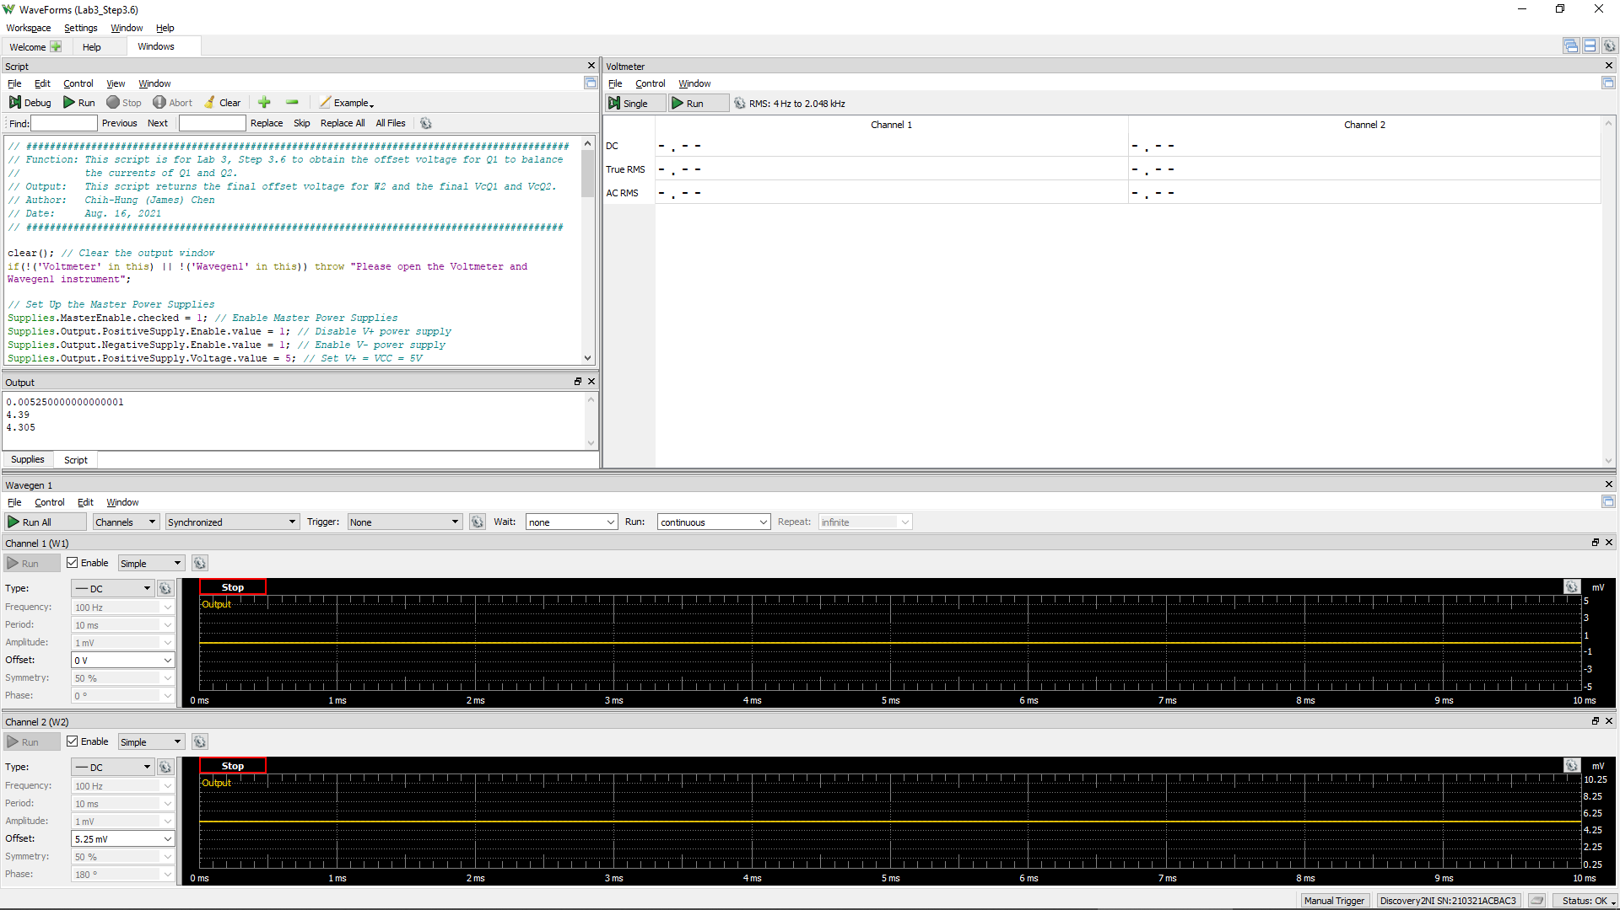
VCC =VE9 = VE8 | VC1 (= VC9 = VB9 = VB8) | Vo (= VC2 = VC8) | VEB9 | VBC8 | W2Offset
Volt | Volt | Volt | Volt | Volt | Volt
5.0 |  |  | 5 | 0 | 5.25E-03
 |  |  | Q9 is ON if VEB9 > 0.6 | Q8 is in Active Region if VBC8 > -0.4 V

Step 3.8
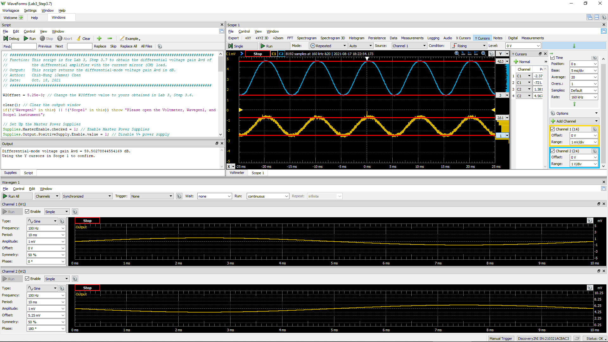
DC1 (V) = Vsig(Peak2Peak) | DC2 (V) = Vo(Peak2Peak) | Differential Voltage Gain Avd of a Single-Stage Differential Amplifier (dB)
 |  | #DIV/0!

Step 3.9
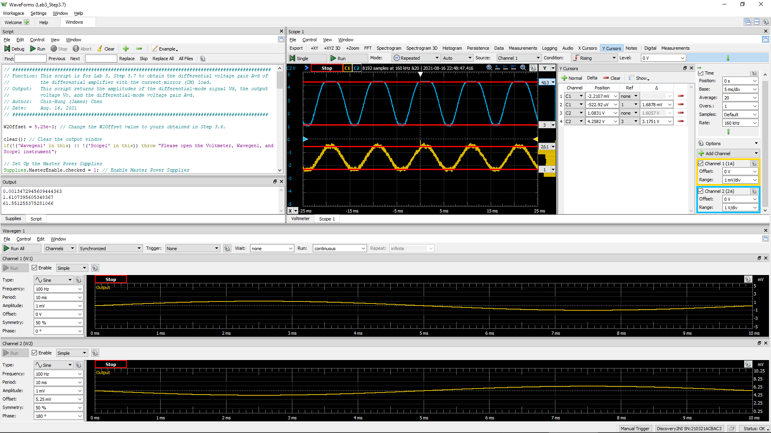
DC1 (V) = Vsig(Peak2Peak) | DC2 (V) = Vo(Peak2Peak) | Differential Voltage Gain Av of a 2-Stage Differential Amplifier(dB)
 |  | #DIV/0!

